Sheet1
 | Pix_X | (int) | (x+1)*(ResX-1)/2

 | Pix_Y | (int) | (y+1)*(ResY-1)/2 |  | or | (int) | (1-y)*(ResY-1)/2

 | ..Is the process of deciding which pixels need to be "turned on" for a given primitive.

 | (x1,y1) | to | (x2, y2)

 | dx = x2 - x1 |  |  |  | x = x1 , y = y1
 | dy = y2 - y1 |  |  |  | SetPixel(x,y)

 | Positive = 2*dy |  |  |  | while (x <= x2)
 | Negative = 2*(dy - dx) |  |  |  |  | x++
 | p = | 2*dy - dx |  |  |  | if p <0
 |  |  |  |  |  |  | p += Positive
 |  |  |  |  |  | else
 |  |  |  |  |  |  | p+= Negative
 |  |  |  |  |  |  | y++
 |  |  |  |  |  | SetPixel(x,y)

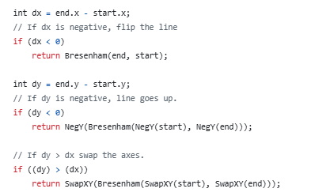

dx = 8 |  |  | x = 143 | y = 215 | p = 4
dy = 6 |  |  | 144 | 216 | 0
Positive = 12 |  |  | 145 | 217 | -4
Negative =-4 |  |  | 146 | 217 | 8
P = 4 |  |  | 147 | 218 | 4
 |  |  | 148 | 219 | 0
 |  |  | 149 | 220 | -4
 |  |  | 150 | 220 | 8
 |  |  | 151 | 221 | 4

